RStudio Results
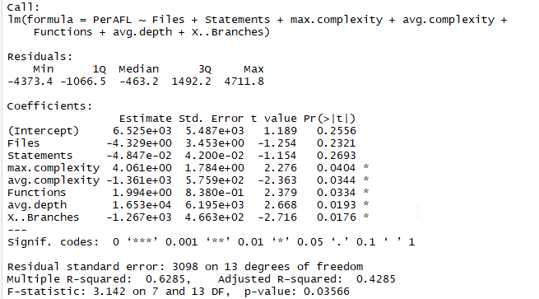
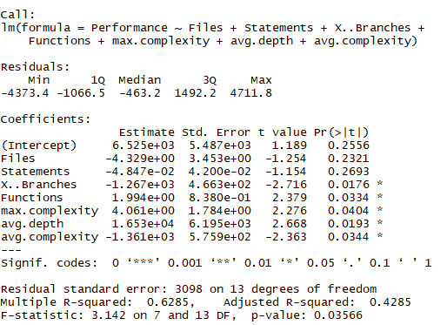
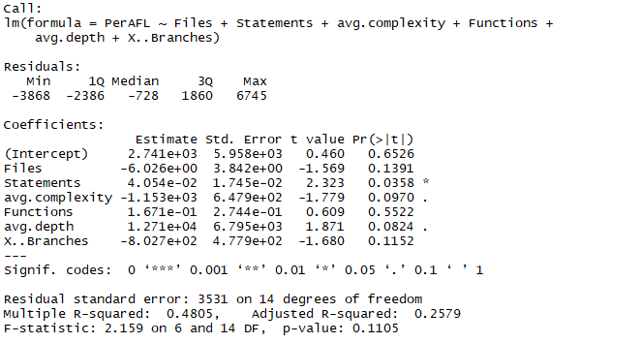
AFL | Old data is to the right. This data tried to remove colinear variables. So, LOC, Max complexity and Max Depth were removed before analysis. LOC is colinear with statements. Max complexity/depth is colinear with avg complexity/depth |  |  |  |  | AFL | Colinear variables were not removed before analysis for this data.
Coefficients | Estimate | std. error | t value | Pr(>|t|) | Signif. codes | Regression results |  |  |  |  |  | AFL old results
(Intercept) | 2.74E+03 | 5.96E+03 | 0.46 | 0.6526 |  |  |  |  |  |  |  | Coefficients | Estimate | std. error | t value | Pr(>|t|) | Signif. codes
Files | -6.03E+00 | 3.84E+00 | -1.569 | 0.1391 |  | Coefficients | Estimate | std. error | t value | Pr(>|t|) | Signif. codes | (Intercept) | 6.52E+03 | 5.49E+03 | 1.189 | 0.2556
Statements | 4.05E-02 | 1.75E-02 | 2.323 | 0.0358 | * | (Intercept) | 6,525.00 | 5,487.00 | 1.19 | 0.26 |  | Files | -4.33E+00 | 3.45E+00 | -1.254 | 0.2321
avg.complexity | -1.15E+03 | 6.48E+02 | -1.779 | 0.097 | . | Files | -4.33 | 3.45 | -1.25 | 0.23 |  | Statements | -4.85E-02 | 4.20E-02 | -1.154 | 0.2693
Functions | 1.67E-01 | 2.74E-01 | 0.609 | 0.5522 |  | Statements | -0.05 | 0.04 | -1.15 | 0.27 |  | X.. branches | -1.27E+03 | 4.66E+02 | -2.716 | 0.0176 | *
avg.depth | 1.27E+04 | 6.80E+03 | 1.871 | 0.0824 | . | max complexity | 4.06 | 1.78 | 2.28 | 0.04 | * | Functions | 1.99E+00 | 8.38E-01 | 2.379 | 0.0334 | *
X..Branches | -8.03E+02 | 4.78E+02 | -1.68 | 0.1152 |  | avg complexity | -1,361.00 | 575.90 | -2.36 | 0.03 | * | Max complexity | 4.06E+00 | 1.78E+00 | 2.276 | 0.0404 | *
 |  |  |  |  |  | functions | 1.99 | 0.84 | 2.38 | 0.03 | * | Avg. depth | 1.65E+04 | 6.20E+03 | 2.668 | 0.0193 | *
 |  |  |  |  |  | avg depth | 16,530.00 | 6,195.00 | 2.67 | 0.02 | * | Avg. complexity | -1.36E+03 | 5.76E+02 | 2.363 | 0.0344 | *
 |  |  |  |  |  | X..branches | -1,267.00 | 466.30 | -2.72 | 0.02 | *

 |  |  |  |  |  | Signif. codes: 0 '***' | 0.001 '**' | 0.01 '*' | 0.05 '.' | 0.1 ' ' | 1.00
 |  |  |  |  |  | Residual standard error: 3098 on 13 degrees of freedom
 |  |  |  |  |  | Multiple R-squared: 0.6285 | Adjusted R-squared: 0.4285
 |  |  |  |  |  | F-statistic: 3.142 on 7 and 14 DF. |  | p-value: 0.03566

 |  |  |  |  |  | The process involved running a multilinear regression on the data, removing a few variables that didn't have enough observations to be statistically significant.
 |  |  |  |  |  | After the first set of results, a stepwise function was called to remove unnecessary variables that had no clear causality on the data. This produced the final regression data you see above

AFLFast |  |  |  |  |  | AFLFast
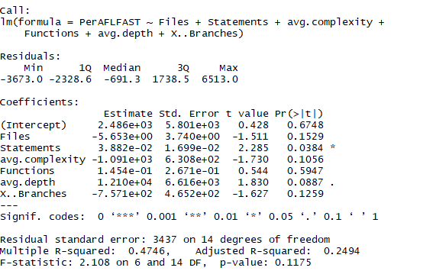
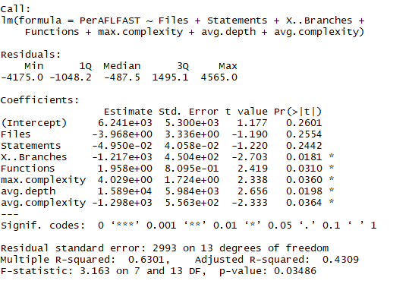
Coefficients | Estimate | std. error | t value | Pr(>|t|) | Signif. codes | Coefficients: | Estimate | std. error | t value | Pr(>|t|) | Signif. codes
(Intercept) | 2.49E+03 | 5.80E+03 | 0.428 | 0.6748 |  | (Intercept) | 6,241.00 | 5,300.00 | 1.18 | 0.26
Files | -5.65E+00 | 3.74E+00 | -1.511 | 0.1529 |  | Files | -3.97 | 3.34 | -1.19 | 0.26
Statements | 3.88E-02 | 1.70E-02 | 2.285 | 0.0384 | * | Statements | -0.05 | 0.04 | -1.22 | 0.24
avg.complexity | -1.09E+03 | 6.31E+02 | -1.73 | 0.1056 |  | X..Branches | -1,217.00 | 0.05 | -2.70 | 0.02 | *
Functions | 1.45E-01 | 2.67E-01 | 0.544 | 0.5947 |  | Functions | 1.96 | 0.81 | 2.42 | 0.03 | *
avg.depth | 1.21E+04 | 6.62E+03 | 1.83 | 0.0887 | . | Max complexity | 4.03 | 1.72 | 2.34 | 0.04 | *
X..Branches | -7.57E+02 | 4.65E+02 | -1.627 | 0.1259 |  | avg depth | 15,890.00 | 5,984.00 | 2.66 | 0.02 | *
 |  |  |  |  |  | avg complexity | -1,298.00 | 556.30 | -2.33 | 0.04 | *

 |  |  |  |  |  | Residual standard error: 2993 on 13 degrees of freedom
 |  |  |  |  |  | Multiple R-squared: 0.6301
 |  |  |  |  |  | Adjusted R-squared: 0.4309
 |  |  |  |  |  | F-statistic: 3.163 on 7 and 13 DF, p-value: 0.03486

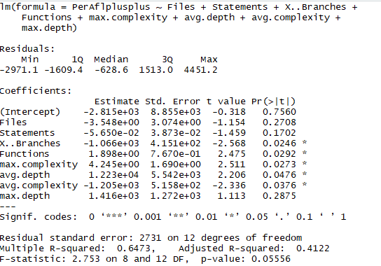
AFL++ |  |  |  |  |  | AFL++
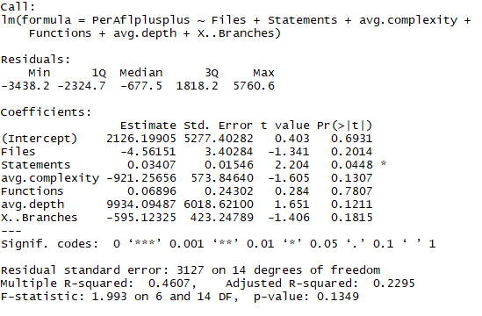
Coefficients | Estimate | std. error | t value | Pr(>|t|) | Signif. codes | Coefficients: | Estimate | std. error | t value | Pr(>|t|) | Signif. codes
(Intercept) | 2126.19905 | 5277.40282 | 0.403 | 0.6931 |  | (Intercept) | -2,815.00 | 8,855.00 | -0.32 | 0.76
Files | -4.56151 | 3.40284 | -1.341 | 0.2014 |  | Files | -3.55 | 3.07 | -1.15 | 0.27
Statements | 0.03407 | 0.01546 | 2.204 | 0.0448 | * | Statements | -0.06 | 0.04 | -1.46 | 0.17
avg.complexity | -921.25656 | 573.8464 | -1.605 | 0.1307 |  | X..Branches | -1,066.00 | 415.10 | -2.57 | 0.02 | *
Functions | 0.06896 | 0.24302 | 0.284 | 0.7807 |  | Functions | 1.90 | 0.77 | 2.48 | 0.03 | *
avg.depth | 9934.09487 | 6018.621 | 1.651 | 0.1211 |  | Max complexity | 4.25 | 1.69 | 2.51 | 0.03 | *
X..Branches | -595.12325 | 423.24789 | -1.406 | 0.1815 |  | avg depth | 12,230.00 | 5,542.00 | 2.21 | 0.05 | *
 |  |  |  |  |  | Avg complexity | -1,205.00 | 515.80 | -2.34 | 0.04 | *
 |  |  |  |  |  | max depth | 1,416.00 | 1,272.00 | 1.11 | 0.29

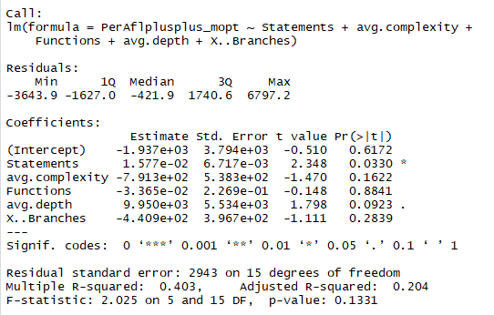
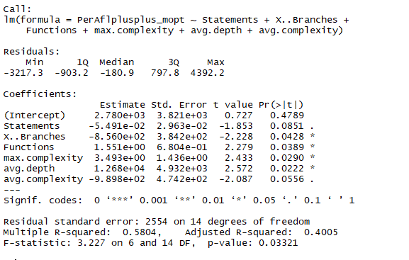
AFL++Mopt |  |  |  |  |  | AFL++mopt
 |  |  |  |  |  |  | Estimate | Std. Error | t value | Pr(>|t|) | Signif. codes
 |  |  |  |  |  | (Intercept) | 2,780.00 | 3,821.00 | 0.73 | 0.48
Coefficients | Estimate | std. error | t value | Pr(>|t|) | Signif. codes | Statements | -0.05 | 0.03 | -1.85 | 0.09 | .
(Intercept) | -1.94E+03 | 3.79E+03 | -0.51 | 0.6172 |  | X..Branches | -856.00 | 384.20 | -2.23 | 0.04 | *
Statements | 1.58E-02 | 6.72E-03 | 2.348 | 0.033 | * | Functions | 1.55 | 0.68 | 2.28 | 0.04 | *
avg.complexity | -7.91E+02 | 5.38E+02 | -1.47 | 0.1622 |  | max.complexity | 3.49 | 1.44 | 2.43 | 0.03 | *
Functions | -3.36E-02 | 2.27E-01 | -0.148 | 0.8841 |  | avg.depth | 12,680.00 | 4,932.00 | 2.57 | 0.02 | *
avg.depth | 9.95E+03 | 5.53E+03 | 1.798 | 0.0923 | . | avg.complexity | -989.80 | 474.20 | -2.09 | 0.06 | .
X..Branches | -4.41E+02 | 3.97E+02 | -1.111 | 0.2839 |  | ---

AFL++noalloc |  |  |  |  |  | AFL++noalloc
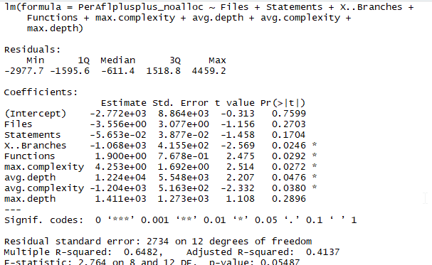
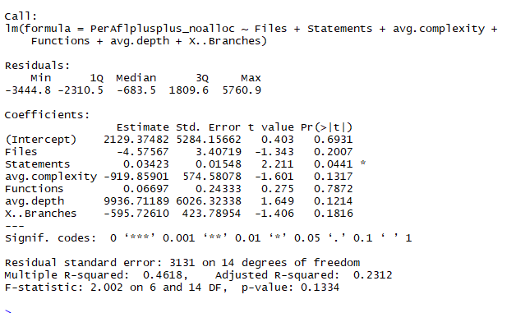
Coefficients | Estimate | std. error | t value | Pr(>|t|) | Signif. codes
(Intercept) | 2129.37482 | 5284.15662 | 0.403 | 0.6931 |  | Coefficients:
Files | -4.57567 | 3.40719 | -1.343 | 0.2007 |  | Coefficients: | Estimate | Std. Error | t value | Pr(>|t|) | Signif. codes
Statements | 0.03423 | 0.01548 | 2.211 | 0.0441 | * | (Intercept) | -2,772.00 | 8,864.00 | -0.31 | 0.76
avg.complexity | -919.85901 | 574.58078 | -1.601 | 0.1317 |  | Files | -3.56 | 3.08 | -1.16 | 0.27
Functions | 0.06697 | 0.24333 | 0.275 | 0.7872 |  | Statements | -0.06 | 0.04 | -1.46 | 0.17
avg.depth | 9936.71189 | 6026.32338 | 1.649 | 0.1214 |  | X..Branches | -1,068.00 | 415.50 | -2.57 | 0.02 | *
X..Branches | -595.7261 | 423.78954 | -1.406 | 0.1816 |  | Functions | 1.90 | 0.77 | 2.48 | 0.03 | *
 |  |  |  |  |  | max.complexity | 4.25 | 1.69 | 2.51 | 0.03 | *
 |  |  |  |  |  | avg.depth | 12,240.00 | 5,548.00 | 2.21 | 0.05 | *
 |  |  |  |  |  | avg.complexity | -1,204.00 | 516.30 | -2.33 | 0.04 | *
 |  |  |  |  |  | max.depth | 1,411.00 | 1,273.00 | 1.11 | 0.29

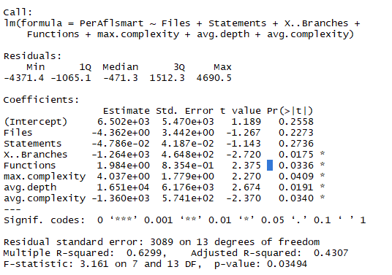
AFLsmart |  |  |  |  |  | AFLsmart

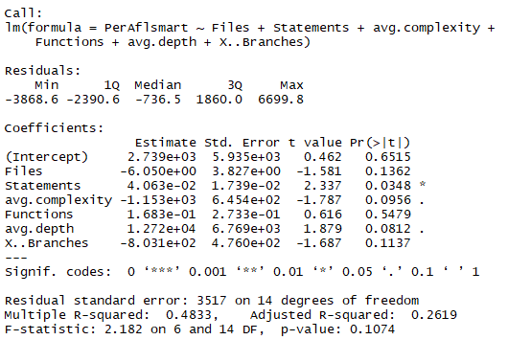
 |  |  |  |  |  | Coefficients: | Estimate | Std. Error | t value | Pr(>|t|) | Signif. codes
Coefficients | Estimate | std. error | t value | Pr(>|t|) | Signif. codes | (Intercept) | 6,502.00 | 5,470.00 | 1.19 | 0.26
(Intercept) | 2,739.00 | 5.94E+03 | 0.462 | 0.6515 |  | Files | -4.36 | 3.44 | -1.27 | 0.23
Files | -6.05 | 3.83E+00 | -1.581 | 0.1362 |  | Statements | -0.05 | 0.04 | -1.14 | 0.27
Statements | 0.04 | 1.74E-02 | 2.337 | 0.0348 | * | X..Branches | -1,264.00 | 464.80 | -2.72 | 0.02 | *
avg.complexity | -1,153.00 | 6.45E+02 | -1.787 | 0.0956 | . | Functions | 1.98 | 0.84 | 2.38 | 0.03 | *
Functions | 0.17 | 2.73E-01 | 0.616 | 0.5479 |  | max.complexity | 4.04 | 1.78 | 2.27 | 0.04 | *
avg.depth | 12,720.00 | 6.77E+03 | 1.879 | 0.0812 | . | avg.depth | 16,510.00 | 6,176.00 | 2.67 | 0.02 | *
X..Branches | -803.10 | 4.76E+02 | -1.687 | 0.1137 |  | avg.complexity | -1,360.00 | 574.10 | -2.37 | 0.03 | *

Eclipser |  |  |  |  |  | Eclipser
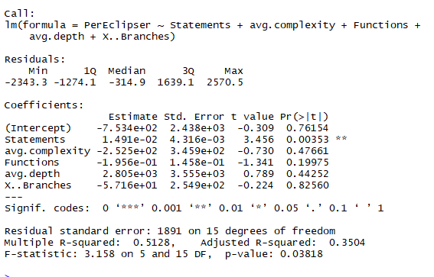
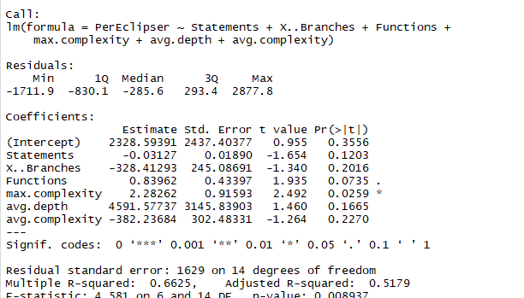
Coefficients | Estimate | std. error | t value | Pr(>|t|) | Signif. codes | Coefficients: | Estimate | Std. Error | t value | Pr(>|t|) | Signif. codes
(Intercept) | -753.40 | 2.44E+03 | -0.309 | 0.76154 |  | (Intercept) | 2,328.59 | 2,437.40 | 0.96 | 0.36
Statements | 0.01 | 4.32E-03 | 3.456 | 0.00353 | ** | Statements | -0.03 | 0.02 | -1.65 | 0.12
avg.complexity | -252.50 | 3.46E+02 | -0.73 | 0.47661 |  | X..Branches | -328.41 | 245.09 | -1.34 | 0.20
Functions | -0.20 | 1.46E-01 | -1.341 | 0.19975 |  | Functions | 0.84 | 0.43 | 1.94 | 0.07 | .
avg.depth | 2,805.00 | 3.56E+03 | 0.789 | 0.44252 |  | max.complexity | 2.28 | 0.92 | 2.49 | 0.03 | *
X..Branches | -57.16 | 2.55E+02 | -0.224 | 0.8256 |  | avg.depth | 4,591.58 | 3,145.84 | 1.46 | 0.17
 |  |  |  |  |  | avg.complexity | -382.24 | 302.48 | -1.26 | 0.23

Entropic |  |  |  |  |  | Entropic
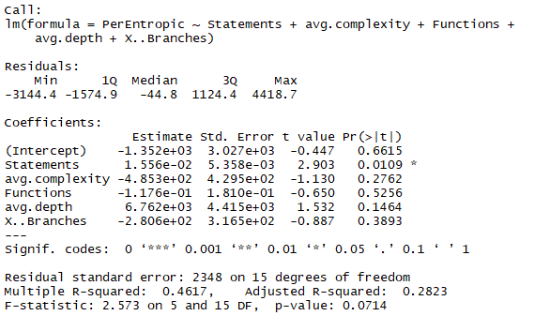
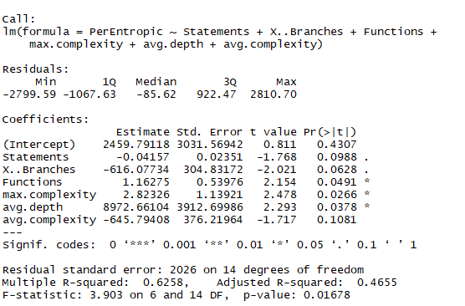
Coefficients | Estimate | std. error | t value | Pr(>|t|) | Signif. codes | Coefficients: | Estimate | Std. Error | t value | Pr(>|t|) | Signif. codes
(Intercept) | -1,352.00 | 3,027.00 | -0.45 | 0.66 |  | (Intercept) | 2,459.79 | 3,031.57 | 0.81 | 0.43
Statements | 0.02 | 0.01 | 2.90 | 0.01 | * | Statements | -0.04 | 0.02 | -1.77 | 0.10 | .
avg.complexity | -485.30 | 429.50 | -1.13 | 0.28 |  | X..Branches | -616.08 | 304.83 | -2.02 | 0.06 | .
Functions | -0.12 | 0.18 | -0.65 | 0.53 |  | Functions | 1.16 | 0.54 | 2.15 | 0.05 | *
avg.depth | 6,762.00 | 4,415.00 | 1.53 | 0.15 |  | max.complexity | 2.82 | 1.14 | 2.48 | 0.03 | *
X..Branches | -280.60 | 316.50 | -0.89 | 0.39 |  | avg.depth | 8,972.66 | 3,912.70 | 2.29 | 0.04 | *
 |  |  |  |  |  | avg.complexity | -645.79 | 376.22 | -1.72 | 0.11

Fairfuzz |  |  |  |  |  | Fairfuzz
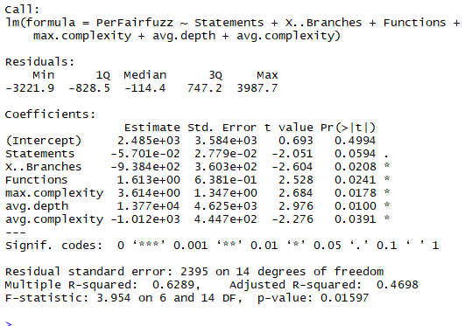
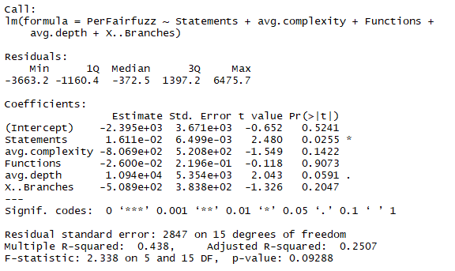
Coefficients | Estimate | std. error | t value | Pr(>|t|) | Signif. codes
(Intercept) | -2,395.00 | 3,671.00 | -0.65 | 0.52 |  | Coefficients: | Estimate | Std. Error | t value | Pr(>|t|) | Signif. codes
Statements | 0.02 | 0.01 | 2.48 | 0.03 | * | (Intercept) | 2,485.00 | 3,584.00 | 0.69 | 0.50
avg.complexity | -806.90 | 520.80 | -1.55 | 0.14 |  | Statements | -0.06 | 0.03 | -2.05 | 0.06 | .
Functions | -0.03 | 0.22 | -0.12 | 0.91 |  | X..Branches | -938.40 | 360.30 | -2.60 | 0.02 | *
avg.depth | 10,940.00 | 5,354.00 | 2.04 | 0.06 | . | Functions | 1.61 | 0.64 | 2.53 | 0.02 | *
X..Branches | -508.90 | 383.80 | -1.33 | 0.20 |  | max.complexity | 3.61 | 1.35 | 2.68 | 0.02 | *
 |  |  |  |  |  | avg.depth | 13,770.00 | 4,625.00 | 2.98 | 0.01 | *
 |  |  |  |  |  | avg.complexity | -1,012.00 | 444.70 | -2.28 | 0.04 | *
 |  |  |  |  |  | ---

Fastcgs |  |  |  |  |  | Fastcgs

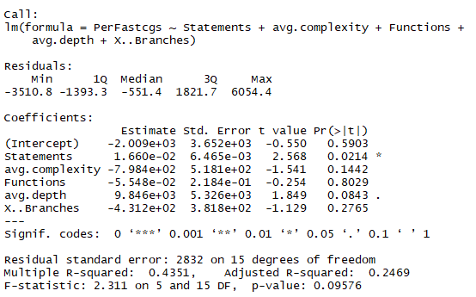
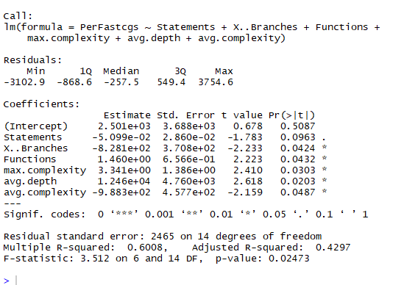
 |  |  |  |  |  | Coefficients: | Estimate | Std. Error | t value | Pr(>|t|) | Signif. codes
Coefficients | Estimate | std. error | t value | Pr(>|t|) | Signif. codes | (Intercept) | 2,501.00 | 3,688.00 | 0.68 | 0.51
(Intercept) | -2,009.00 | 3,652.00 | -0.55 | 0.59 |  | Statements | -0.05 | 0.03 | -1.78 | 0.10 | .
Statements | 0.02 | 0.01 | 2.57 | 0.02 | * | X..Branches | -828.10 | 370.80 | -2.23 | 0.04 | *
avg.complexity | -798.40 | 518.10 | -1.54 | 0.14 |  | Functions | 1.46 | 0.66 | 2.22 | 0.04 | *
Functions | -0.06 | 0.22 | -0.25 | 0.80 |  | max.complexity | 3.34 | 1.39 | 2.41 | 0.03 | *
avg.depth | 9,846.00 | 5,326.00 | 1.85 | 0.08 | . | avg.depth | 12,460.00 | 4,760.00 | 2.62 | 0.02 | *
X..Branches | -431.20 | 381.80 | -1.13 | 0.28 |  | avg.complexity | -988.30 | 457.70 | -2.16 | 0.05 | *

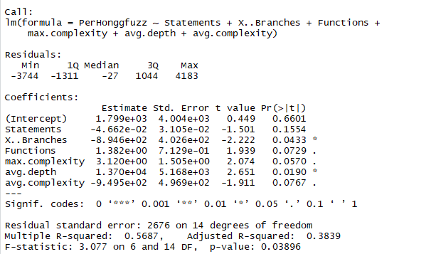
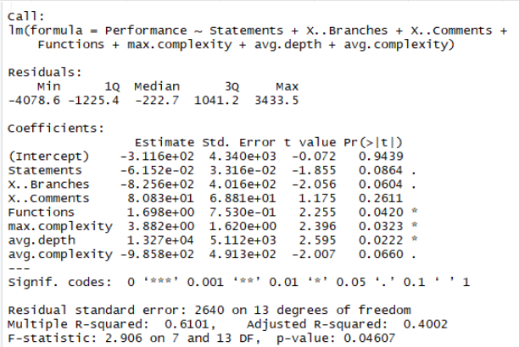
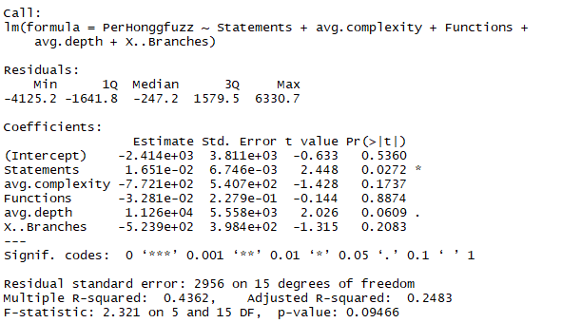
Honggfuzz |  |  |  |  |  | Honggfuzz
 |  |  |  |  |  |  |  |  |  |  |  | HonggFuzz old results
Coefficients | Estimate | std. error | t value | Pr(>|t|) | Signif. codes | Coefficients: | Estimate | Std. Error | t value | Pr(>|t|) | Signif. codes |  |  |  |  |  |  | HonggFuzz old results
(Intercept) | -2,414.00 | 3,811.00 | -0.63 | 0.54 |  | (Intercept) | 1,799.00 | 4,004.00 | 0.45 | 0.66 |  |  |  |  |  |  |  | Regression results
Statements | 0.02 | 0.01 | 2.45 | 0.03 | * | Statements | -0.05 | 0.03 | -1.50 | 0.16
avg.complexity | -772.10 | 540.70 | -1.43 | 0.17 |  | X..Branches | -894.60 | 402.60 | -2.22 | 0.04 | * |  |  |  |  |  |  | Honggfuzz
Functions | -0.03 | 0.23 | -0.14 | 0.89 |  | Functions | 1.38 | 0.71 | 1.94 | 0.07 | . |  |  |  |  |  |  | Coefficients | Estimate | std. error | t value | Pr(>|t|) | Signif. codes
avg.depth | 11,260.00 | 5,558.00 | 2.03 | 0.06 | . | max.complexity | 3.12 | 1.51 | 2.07 | 0.06 | . |  |  |  |  |  |  | (Intercept) | -3.12E+02 | 4.34E+03 | -0.072 | 0.9439
X..Branches | -523.90 | 398.40 | -1.32 | 0.21 |  | avg.depth | 13,700.00 | 5,168.00 | 2.65 | 0.02 | * |  |  |  |  |  |  | Statements | -6.15E-02 | 3.32E-02 | -1.855 | 0.0864 | .
 |  |  |  |  |  | avg.complexity | -949.50 | 496.90 | -1.91 | 0.08 | . |  |  |  |  |  |  | X.. Branches | -8.26E+02 | 4.02E+02 | -2.056 | 0.0604 | .
 |  |  |  |  |  |  |  |  |  |  |  |  |  |  |  |  |  | X.. comments | 8.08E+01 | 6.88E+01 | 1.175 | 0.2611
 |  |  |  |  |  |  |  |  |  |  |  |  |  |  |  |  |  | Functions | 1.70E+00 | 7.53E-01 | 2.255 | 0.041 | *
 |  |  |  |  |  |  |  |  |  |  |  |  |  |  |  |  |  | Max complexity | 3.88E+00 | 1.62E+00 | 2.396 | 0.0323 | *
 |  |  |  |  |  |  |  |  |  |  |  |  |  |  |  |  |  | avg. depth | 1.33E+04 | 5.11E+03 | 2.595 | 0.0222 | *
 |  |  |  |  |  |  |  |  |  |  |  |  |  |  |  |  |  | avg. complexity | -9.86E+02 | 4.91E+02 | -2.007 | 0.066 | .

 |  |  |  |  |  |  |  |  |  |  |  |  |  |  |  |  |  | Signif. codes: 0 '***' | 0.001 '**' | 0.01 '*' | 0.05 '.' | 0.1 ' ' | 1

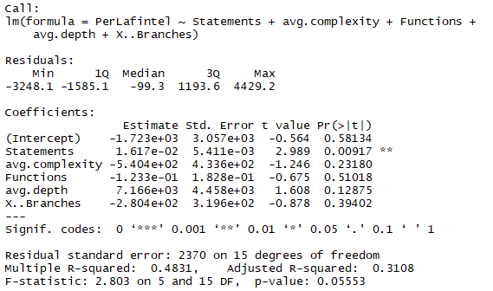
Lafintel |  |  |  |  |  | Lafintel |  |  |  |  |  |  |  |  |  |  |  | Residual standard error: 2640 on 13 degrees of freedom
 |  |  |  |  |  |  |  |  |  |  |  |  |  |  |  |  |  | Multiple R-squared: 0.6101, adjusted R-squred: 0.4002
Coefficients | Estimate | std. error | t value | Pr(>|t|) | Signif. codes | Coefficients: | Estimate | Std. Error | t value | Pr(>|t|) | Signif. codes |  |  |  |  |  |  | F-statistic: 2.906 on 7 and 13 DF
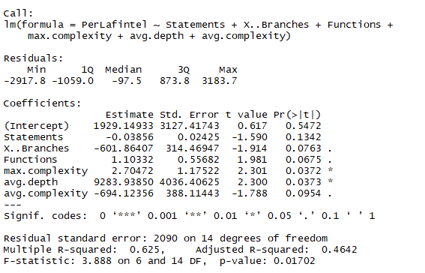
(Intercept) | -1,723.00 | 3,057.00 | -0.56 | 0.58 |  | (Intercept) | 1,929.15 | 3,127.42 | 0.62 | 0.55 |  |  |  |  |  |  |  | p-value: 0.04607
Statements | 0.02 | 0.01 | 2.99 | 0.01 | ** | Statements | -0.04 | 0.02 | -1.59 | 0.13
avg.complexity | -540.40 | 433.60 | -1.25 | 0.23 |  | X..Branches | -601.86 | 314.47 | -1.91 | 0.08 | .
Functions | -0.12 | 0.18 | -0.68 | 0.51 |  | Functions | 1.10 | 0.56 | 1.98 | 0.07 | .
avg.depth | 7,166.00 | 4,458.00 | 1.61 | 0.13 |  | max.complexity | 2.70 | 1.18 | 2.30 | 0.04 | *
X..Branches | -280.40 | 319.60 | -0.88 | 0.39 |  | avg.depth | 9,283.94 | 4,036.41 | 2.30 | 0.04 | *
 |  |  |  |  |  | avg.complexity | -694.12 | 388.11 | -1.79 | 0.10 | .

Libfuzzer |  |  |  |  |  | Libfuzzer
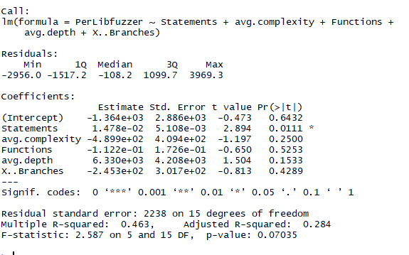
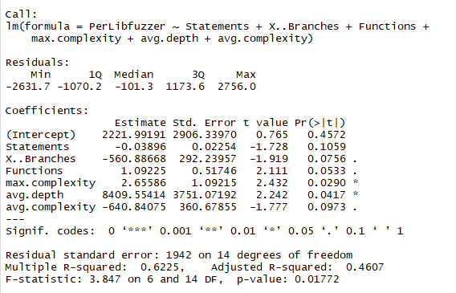
Coefficients | Estimate | std. error | t value | Pr(>|t|) | Signif. codes | Coefficients: | Estimate | Std. Error | t value | Pr(>|t|) | Signif. codes
(Intercept) | -1,364.00 | 2,886.00 | -0.47 | 0.64 |  | (Intercept) | 2,221.99 | 2,906.34 | 0.77 | 0.46
Statements | 0.01 | 0.01 | 2.89 | 0.01 | * | Statements | -0.04 | 0.02 | -1.73 | 0.11
avg.complexity | -489.90 | 409.40 | -1.20 | 0.25 |  | X..Branches | -560.89 | 292.24 | -1.92 | 0.08 | .
Functions | -0.11 | 0.17 | -0.65 | 0.53 |  | Functions | 1.09 | 0.52 | 2.11 | 0.05 | .
avg.depth | 6,330.00 | 4,208.00 | 1.50 | 0.15 |  | max.complexity | 2.66 | 1.09 | 2.43 | 0.03 | *
X..Branches | -245.30 | 301.70 | -0.81 | 0.43 |  | avg.depth | 8,409.55 | 3,751.07 | 2.24 | 0.04 | *
 |  |  |  |  |  | avg.complexity | -640.84 | 360.68 | -1.78 | 0.10 | .

Mopt |  |  |  |  |  | Mopt
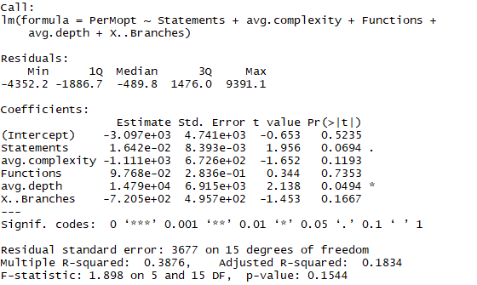
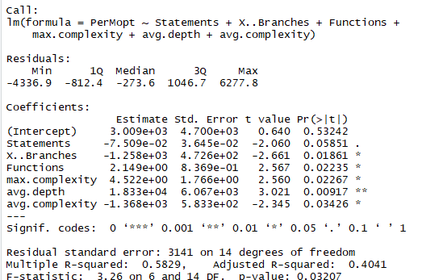
Coefficients | Estimate | std. error | t value | Pr(>|t|) | Signif. codes
(Intercept) | -3,097.00 | 4,741.00 | -0.65 | 0.52 |  | Coefficients: | Estimate | Std. Error | t value | Pr(>|t|) | Signif. codes
Statements | 0.02 | 0.01 | 1.96 | 0.07 | . | (Intercept) | 3,009.00 | 4,700.00 | 0.64 | 0.53
avg.complexity | -1,111.00 | 672.60 | -1.65 | 0.12 |  | Statements | -0.08 | 0.04 | -2.06 | 0.06 | .
Functions | 0.10 | 0.28 | 0.34 | 0.74 |  | X..Branches | -1,258.00 | 472.60 | -2.66 | 0.02 | *
avg.depth | 14,790.00 | 6,915.00 | 2.14 | 0.05 | * | Functions | 2.15 | 0.84 | 2.57 | 0.02 | *
X..Branches | -720.50 | 495.70 | -1.45 | 0.17 |  | max.complexity | 4.52 | 1.77 | 2.56 | 0.02 | *
 |  |  |  |  |  | avg.depth | 18,330.00 | 6,067.00 | 3.02 | 0.01 | **
 |  |  |  |  |  | avg.complexity | -1,368.00 | 583.30 | -2.35 | 0.03 | *
 |  |  |  |  |  | ---

